Sheet1
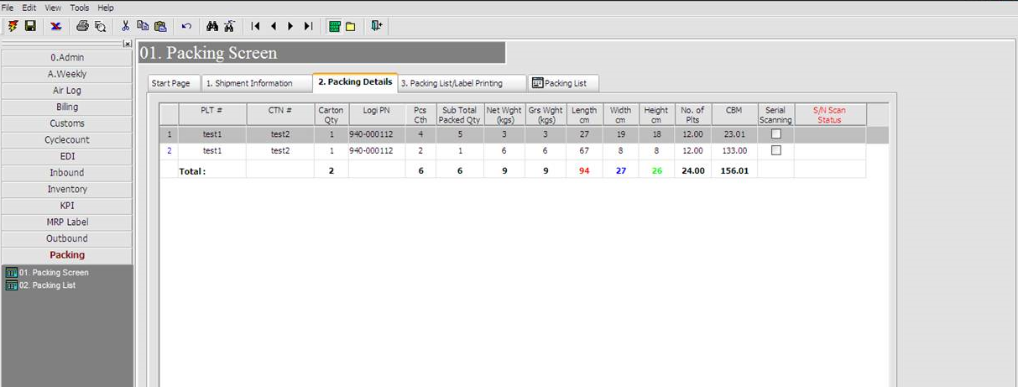
 | WMS Pack module

1) Current pack module very complicate & time consuming to perform.
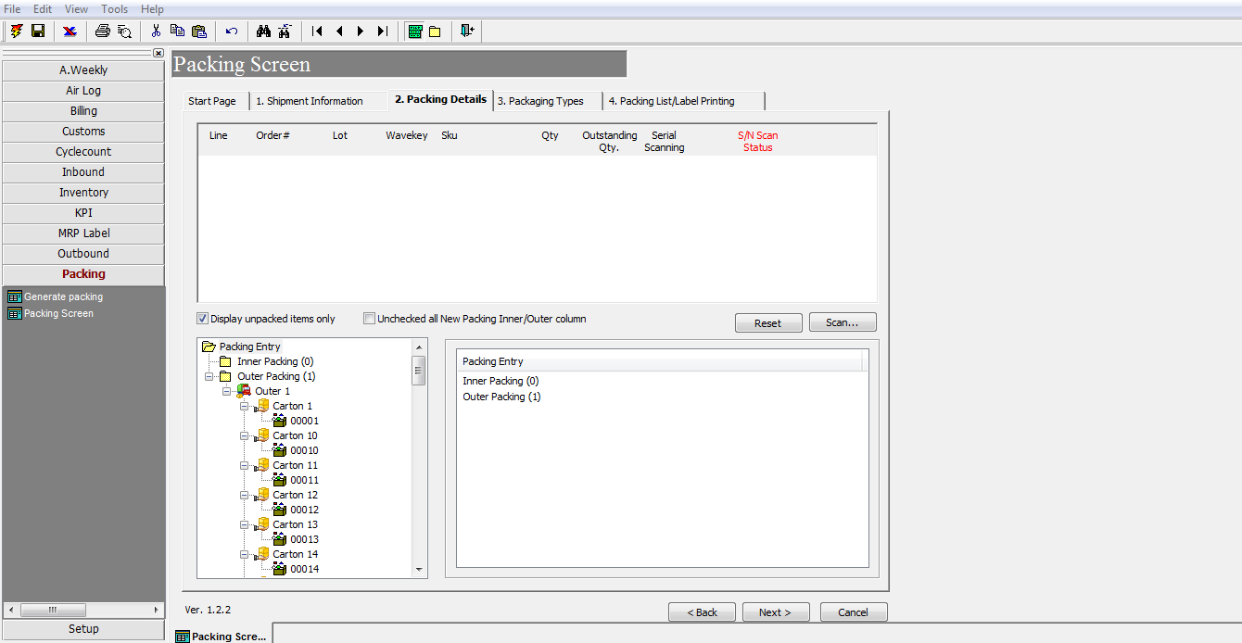

2) To simplify the current pack module to a user friendly version.

